DropDownList-HowToDelete
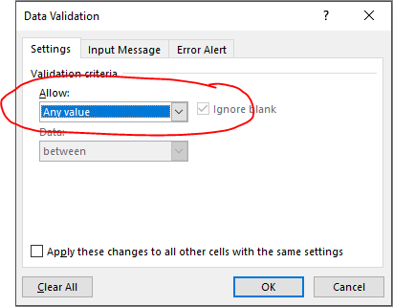
This workbook contains the complete Work Plan template and has been formatted to have DROP DOWN LISTS in many cells and refer to the MasterCodeList tab.
If this table is modified, the drop down list is going to be affected
If you do not want to use the drop down list prepared, follow the following instructions:
How to delete a drop down list:
SELECT the cell where you want to delete the drop down list (one or several cells)
Go to the tab DATA
Go to the part DATA TOOLS
Go to the icon DATA VALIDATION
In SETTINGS, choose any value instead of list
Click OK

